Dashboard - Sample
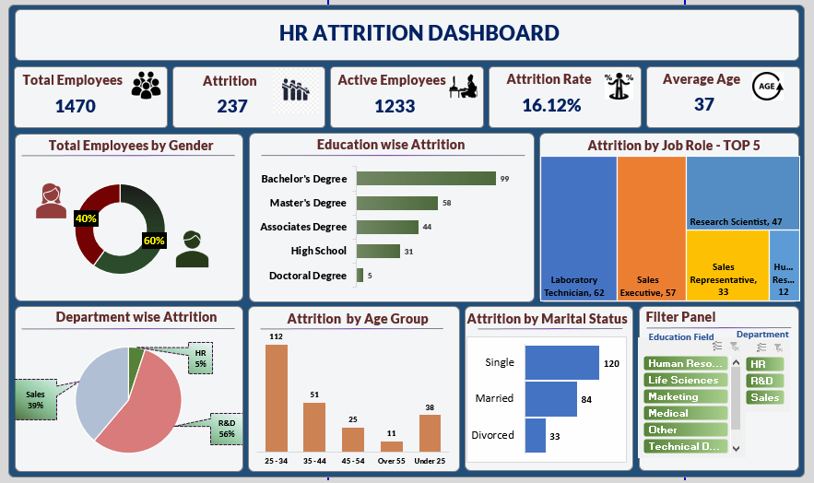

Blank - Layout
`
HR ATTRITION DASHBOARD

Total Employees
Attrition
Active Employees
Attrition Rate
Average Age

1470
1233
237
16.12%
37
suci

Total Employees by Gender
 | Total
Female | 40%
Male | 60%
Education wise Attrition
 | Total
Doctoral Degree | 5
High School | 31
Associates Degree | 44
Master's Degree | 58
Bachelor's Degree | 99
Attrition By Job Role Top-5

Attrition By Marital Status
Filter Panel

Department wise Attrition
 | Total
HR | 5%
R&D | 56%
Sales | 39%
Attrition by Age Group
 | Total
25 - 34 | 112
35 - 44 | 51
45 - 54 | 25
Over 55 | 11
Under 25 | 38
 | Total
Divorced | 33
Married | 84
Single | 120

Raugh
Total Employees by Gender
Row Labels | Sum of Employee Count
Female | 40%
Male | 60%
Grand Total | 100.00%

Education wise Attrition

Row Labels | Sum of CF_attrition counts
Doctoral Degree | 5
High School | 31
Associates Degree | 44
Master's Degree | 58
Bachelor's Degree | 99
Grand Total | 237

Department wise Attrition

Row Labels | Sum of CF_attrition counts
HR | 5%
R&D | 56%
Sales | 39%
Grand Total | 100.00%

Attrition by Age Group

Row Labels | Sum of CF_attrition counts
25 - 34 | 112
35 - 44 | 51
45 - 54 | 25
Over 55 | 11
Under 25 | 38
Grand Total | 237

Row Labels | Sum of CF_attrition counts
Divorced | 33
Married | 84
Single | 120
Grand Total | 237

Row Labels | Sum of CF_attrition counts | Row Labels | Sum of CF_attrition counts
Laboratory Technician | 62 | Laboratory Technician | 62 | Laboratory Technician | 62
Sales Executive | 57 | Sales Executive | 57 | Sales Executive | 57
Research Scientist | 47 | Research Scientist | 47 | Research Scientist | 47
Sales Representative | 33 | Sales Representative | 33 | Sales Representative | 33
Human Resources | 12 | Human Resources | 12 | Human Resources | 12
Grand Total | 211

Row Labels | Sum of CF_attrition counts
Laboratory Technician | 62
Sales Executive | 57
Research Scientist | 47
Sales Representative | 33
Human Resources | 12
Grand Total | 211

